Sheet1
Training Results Tracker

 | 2-Mar-24
 | Data Augmentation | Hyperparameters |  | Hyperparameters |  | Hyperparameters |  | Hyperparameters
 | Image: Flip --> Horizontal & Vertical | 10:22AM |  | 12:15PM |  | 3:05PM |  | 3:05PM
 | Image: 90 degree rotate --> CW & CCW | optimizer | adamw | optimizer | adamw | optimizer | adamw | optimizer | adamw
 | Image: Crop --> min zoom=0% & max zoom=20% | epochs | 100 | epochs | 150 | epochs | 150 | epochs | 150
 | Image: Rotation --> -15 degree and +15 degree | batch | 16 | batch | 40 | batch | 40 | batch | 40
 | Image:Noise --> 1.8% pixels | cls | 0.7 | cls | 0.7 | cls | 0.7 | cls | 0.7
 | Bounding Boxes: Flip --> Horizontal & Vertical | lr0 | 0.0001 | lr0 | 0.0001 | lr0 | 0.0001 | lr0 | 0.001
 | Bounding Boxes: 90 Degree Rotate --> CW & CCW | lrf | 0.0001 | lrf | 0.0001 | lrf | 0.0001 | lrf | 0.001
 | Bounding Boxes: Rotation --> -15 degree & +15 degree
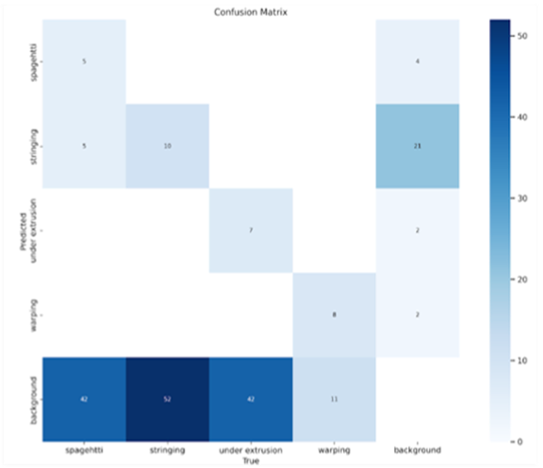
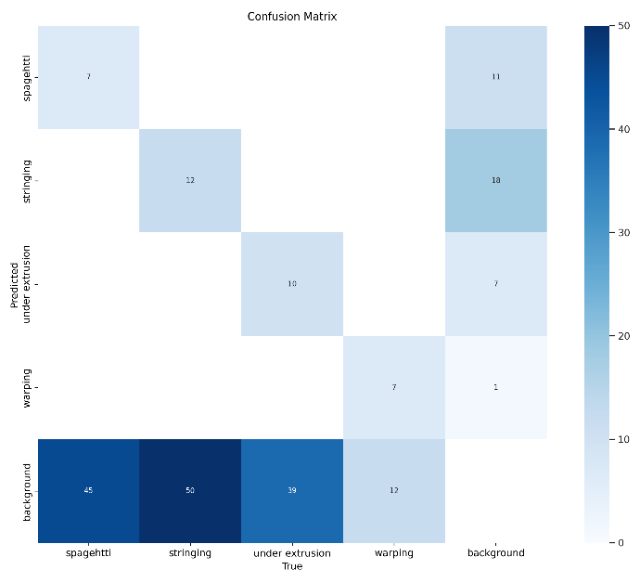
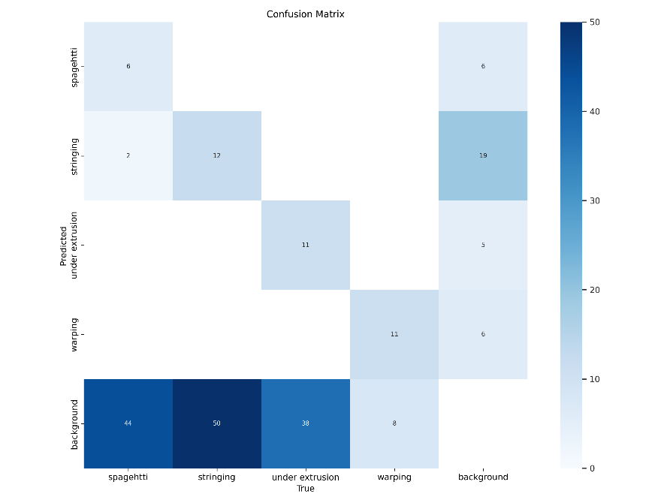
 | Bounding Boxes: Noise --> 0.1% pixels | Confusion Matrix: |  | Confusion Matrix:
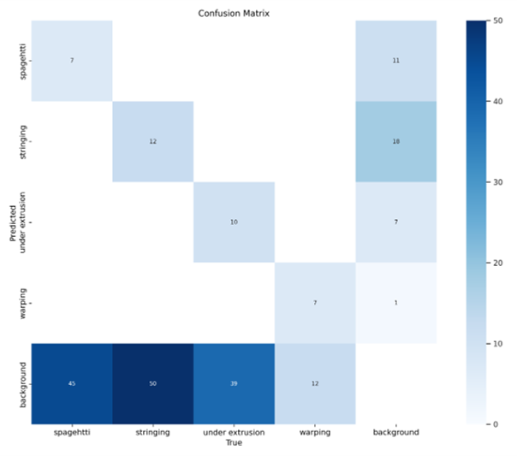

 | 3-Mar-24
 | Data Augmentation | Hyperparameters |  |  | Hyperparameters
 | Image: Flip --> Horizontal & Vertical | 11:20:00 |  |  | 15:00:00
 | Image: 90 degree rotate --> CW & CCW | optimizer | adamw |  | optimizer | adamw
 | Image: Crop --> min zoom=0% & max zoom=20% | epochs | 200 |  | epochs | 200
 | Image: Rotation --> -15 degree and +15 degree | batch | 32 |  | batch | 32
 | Image: Shear --> +/-10 degree horizontal & +/-10 vertical | cls | 0.7 |  | cls | 0.7
 | Image: Hue --> -15 degrees & +15 degress | lr0 | 0.001 |  | lr0 | 0.001
 | Image:Noise --> 1.8% pixels | lrf | 0.001 |  | lrf | 0.001
 |  | model | yolov8s.pt |  | model | yolov8s.pt
 | Bounding Boxes: Flip --> Horizontal & Vertical | kfold | 5 |  | kfold | 3
 | Bounding Boxes: 90 Degree Rotate --> CW & CCW | Confusion Matrix: | System crashed around 2 pm |  | Confusion Matrix: | System stopped at epoch=104 running through kfold=2. With same prompt.
 | Bounding Boxes: Rotation --> -15 degree & +15 degree
 | Bounding Boxes: Noise --> 0.1% pixels
 | Bouding Boxes: Shear --> +/- 10 degree horizontal & +/-10 vertical
 | Bouding Boxes: Crop --> 0% mim zoom & 20% max zoom
 | 430 --> 1032 images
 | GOT RID of GOOD images from the set b/c kfolds didn’t recognize images without labels with it.

 | 9-Mar-24
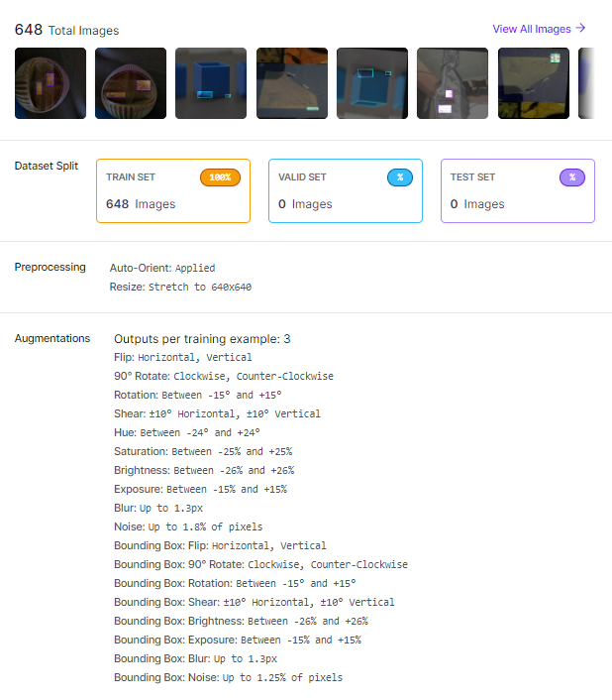

 | Added back the "good" images. Created empty text files of these good images

